Initiatives and Metrics
 | CIAM - Customer INtegration Access Mgt

Every customer is enabled to authenticate
Ideal Stat : 98% of of customers have an identify and have atleast one verified contact
Auto - Registration
Preference Mgmt
Contact Verification
Registration
Verified Contact Data
Every customer is able to authenticate
Ideal Stat : 98% of of users are able to authenticate across all channels
Editable User ID
Authentication
Credential Recovery
TSV Enrollment
OTP as Authentication
GOAL >>

FUNCTIONS

INITIATIVES

METRICS

AWS S3
Oracle DB
Splunk Logs
Data Model (AWS)
Tableau

DATA

 |  | Feature | Engagement Channel | Technology Platform | Technology SME | Data Source - Application | Data Source - Reporting | Data available | Latest Status
 |  | Authentication | Digital | Okta | Matt Steininger | Splunk | AWS | Yes
 |  | Authentication | IVR | Solution Center | Jeff Veres |  |  |  | Connected with Oscar. PIN based IVR auth rate is ~83.5%
 |  | Authentication | Call Center | Solution Center
 |  | Authentication | Retail | ICE | Camden Landis/Cynthia Marre
 |  | Password Reset | Digital | Pega-Sol. Center | Santosh Bakka |  |  | Yes
 |  | Password Reset | Call Center | Pega-Sol. Center | Santosh Bakka
 |  | User ID Recovery | Digital | Cox.com/app/Adobe | Praveen Prabhakaran |  |  | Yes
 |  | User ID Recovery | Call Center | N/A- we don’t do
 |  | TSV Enrollment | Digital | okta | Sindhura Kalagara |  |  | Yes
 |  | TSV Enrollment | Call Center | okta | Sindhura Kalagara |  |  | Yes
 |  | TSV Enrollment | Retail | okta | Sindhura Kalagara |  |  | Yes
 |  | TSV Authentication | Digital | Cox.com/Cox app | Praveen Prabhakaran |  |  | Yes
 |  | TSV Authentication | Call Center | Solution Center | Blake Ontijes
 |  | TSV Authentication | Retail | ICE | Camden Landis
 |  | Verified Contact Data | Not Channel Specific | OSS | Matt Steininger |  |  |  | Balakumar will give data structure walk-through
 |  | Manage Preferences | Digital | Cox.com/Cox app | Praveen Prabhakaran
 |  | Manage Preferences | Call Center | Solution Center | Blake Ontijes
 |  | Manage Preferences | Retail | ICE | Camden Landis
 |  | Registration | Digital | Cox.com/app/Adobe | Praveen Prabhakaran |  |  | Yes
 |  | Registration | Call Center (CB) | CBMA/CB MyAdmin | Praveen Prabhakaran
 |  | User Permissions | Digital | ? | ?
 |  | User Permissions | Call Center | ? | ?
 |  | Auto-Registration | Digital | OSS | Matt Steininger
 |  | Auto-Registration | Call Center | OSS | Matt Steininger
 |  | Auth-ID
 |  | TSV Reset

Eclerx Training
ICOMS

OKTA/IDM

UNCLEAR

 | PRIMARY, when userGUID doesn't exist, use accountGUID
 | userGUID | acctGUID | customer_key

OKTA (data is logged in Splunk)

webmail
HBO

cox.com (ADOBE)

Dashboard Metrics
Customer Program Metrics

A dashboard representing an account's readiness to successfully engage with various aspects of self-service. Where in addition to readiness it also shows engagement behavior (time window to do things), probablyu outside of CIAM's scope.

 |  | Current Month | LY-SM

 | Profile Status
 | Total Customers | 6,171,540 | 0.3%
 | Total Regd Customers | 5,514,700 | 1.5%
 | Total GUIDs (Users/Profiles) | 8,023,002 | 1.5%

Business
All
 | Contact Information
 | Accounts with Email
 | Accounts with Verified Email
 | Accounts with Phone
 | Accounts with Verified Phone
 | Age of Contact

 | Permission
 | Users with Secondary permission
 | Users with Authorized permission
 | Users with defined Preferences (TBD)
 | Users with TSV Enabled
 | Factor - SMS and Email

 | Engagement
 | Avg. time from order to install, avg time from order to register, avg. time from order to first digital contact.
 | % of customers registering on F1, % customers seeing an onboarding email, % customers downloading the app. (should this be in CIAM scope?)
 | % of customers logged in last 3 months.

 | Activity (Volume and Success Rate)
 | Total Contacts by Channel by Sales/Serve
 | Authentication by channel by method (Pwd, PIN/SQSA/SSN, TSV)
 | Users logged in in past 12 months
 | Authentication success rate
 | Login Recovery success rate
 | TSV Enrollment Success Rate
 | TSV Authentication Volume and Success Rate
 | Split by Channel and Method
 | TSV Reset Volume and Success Rate
 | # Calls related to authentication (source: speech analytics table)

 | Quarterly Program Highlights - (Example) Initiated auto-registration to enable all customers on digital - (Example) Improved P&P experience potentially containing 50K uncontained contacts

 | Trend Chart

Conceptual Data Model
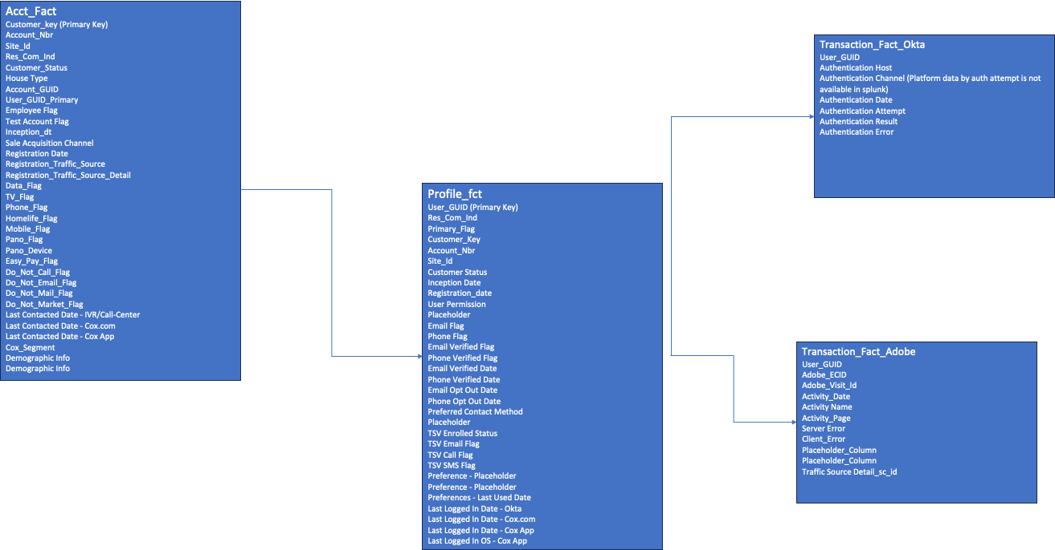
Authentication
How are customers authenticating, by method, by channel, in what volume?
How well is each working – success/failure/error rates?
Context with errors
Is this logged somewhere for analysis
Do we experience different success or error rates on same factors across different channels?
What feedback are we receiving regarding our authentication process? Source and Logic to be defined
Source like survey, Medallia?? Source and Logic to be defined
Quantitative or qualitative? Source and Logic to be defined
Registration
% of auto registration?
% of registrations via a tokenized link?
How many customers have profiles?
How did they set it up (organic, link, …)

Online Transactions
>> Registration
Success rate (for set up)
Recovery
Attempts, Success, Failure
Success by Step
What method is being used? Email, phone, etc..
What is the success rate of each method?
Are they able to identity their account?
Volume of error, type of error, etc.
Are they able to use one-time passcode to recover their account or do they have to auth ID?
What is success rate for auth ID?
How easy is it for a customer to complete in-channel (in-which the customer originated) when they encounter an issue trying to authenticate with us? - Suggestion is to track if ythey were able to sign-in (irrespective of if they could resolve the intent in same channel)
Success rate of account recovery within the same channel
Search/Answer analysis

Preferences
Are our customers engaging with communications and updating their preferences?
How many have provided their preferences?
Engagement rate, preference update rate
Time since last time engaged ^^
How is preference center moving opt in/opt out rates?

Profile
How many customer profiles do we have?
#customers with profile
#users per account
#accounts per user?
- ** Likely not in our scope but, how are returning customers, new-to-old profile(s) managed
Open Question - How to map multiple accounts to same profile (individual)

